Data Charatcerization
Please fill the following details
Describe the data as you understand in 2-3 lines: | This dataset is based on "Bank Marketing" UCI dataset.The data is enriched by the addition of five new social and economic features/attributes.
Write the objective in 2-3 lines | The dataset is provided to test more computationally demanding machine learning algorithms (e.g., SVM….).
 | The binary classification goal is to predict if the client will subscribe a bank term deposit (variable y).
Data Dimension | 41188 21
# of records | 41188
# of attributes | 20 + output attribute.
Type of class attribute | y - has the client subscribed a term deposit? (binary: 'yes','no')
# of categorical attributes | job,marital,education,default,housing, loan, contact,month,day_of_week, poutcome
# of numeric attributes | age,duration, campaign, pdays, pdays, emp.var.rate,cons.price.idx,cons.conf.idx,euribor3m, nr.employed
# of missing values | 12718
% missing values | 0.01470377
#of attributes with greater than 20% Missing Value | age job marital education default housing FALSE FALSE FALSE FALSE TRUE FALSE loan contact month day_of_week duration campaign FALSE FALSE FALSE FALSE FALSE FALSE pdays previous poutcome emp.var.rate cons.price.idx cons.conf.idx FALSE FALSE FALSE FALSE FALSE FALSE euribor3m nr.employed y FALSE FALSE FALSE
#of rows with greater than 20% Missing Values
#of Levels in Categorical Attribute <Attribute Name> | job(12),marital(4),education(8),default(3),housing(3), loan(3), contact(2),month(10),day_of_week(5), poutcome(3)
#of Levels in Taget Variable | y(2)
#of Correlated Variables (> 70%) | 4(0.78,0.91,0.95,0.97)
#of near zero variance variables | Int [1:2] 5 13
Is there any Class imbalance in target variable? | yes, no yes 36548 4640
Proportions of Target Class Levels
# of DATE Variables | 0
# of Attributes that can be directly used for model building | no
# of Attributes that require Feature Engineering | no
Descriptive Statistics
Attribute name | Average | Median | Standard Deviation | Min value | Max value | # of missing values
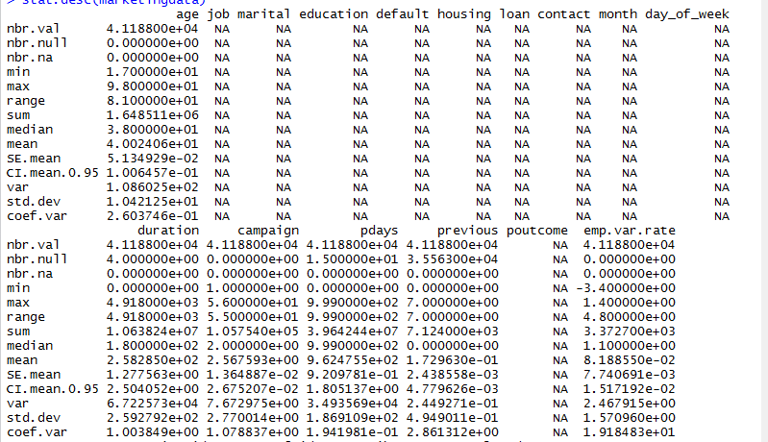

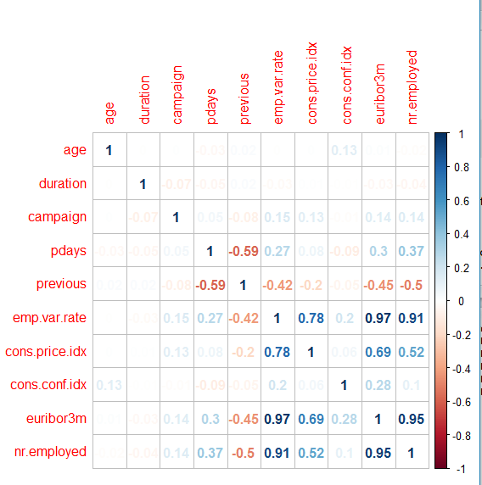
Correlation matrix of numeric attributes | Correlation matrix of numeric attributes

Attribute name | # of unique levels | # of missing values

